Explanation
This template report is to be completed by the Level 1 Reviewer, who may often be the Site Operator. Regulatory programs require an independent data review by a Level 2 Reviewer. This is intended to be comprehensive enough for regulatory programs, but flexible so that only those components that apply and are useful can be used.
The Level 1 Reviewer identifies all rows that are particularly important for the Level 2 Reviewer to review by adding their initials and datetime to Column B in the Level 1 Report. These include all values assigned AQS null codes. This form automatically identifies these rows for the Level 2 Reviewer in Column A with amber boxes for the Level 2 Reviewer. (The Level 2 Review Report template will be a new sheet in this file, and includes links to AirNowTech for wind roses and relevant sites which may provide corroborating data for unusual values at this site.)

The Level 1 Report includes the following components:
1. Title, with Datetime Interval and Parameter
2. Summary of Reviewed and Invalidated Records (with line # in this report and overall completeness so that this report can be quickly understood)
See color coding rubric below.
3. Review Criteria, including Expected Range and QAPP Criteria (Checklist in QAPP Criteria tab)
4. Summary Hourly Plots
5. Specific Intervals Reviewed and Invalidation Decisions, with each interval including:
 | a. identification of interval and reason data are being scrutinized
 | b. questions from the reviewer, followed by the response from the Site Operator or the Level 1 Reviewer
 | c. screenshot the user can insert if that may be useful for the next reviewer
 | d. five minute values if available and useful for understanding the data
 | e. validation/invalidation decision and null codes
6. Reviewer Notes
beige indicates preset language for that section, such as a title or description of section

blue indicates this is a text box and the info is hand-entered by the reviewer

peach indicates that this is a selection box in QREST, with the user selecting parameter or datetime.

amber indicates a field that must be completed for final validation

Level 1 Report
requires Level 2 approval: | row last edited by: | Level 1 Monthly Data Review of |  | 2020-12-01 | PM10

 |  | Summary:
 |  | completeness after Level 1 validation= |  | 98%
 |  | #Invalidated | AQS null code | description |  |  | link to interval | Line # in this sheet
 |  | 2 | AM | identical consecutive values of 108.782 at 2-3 am on 12/12/20 |  |  | Interval_1 | 71
 |  | 1 | AM | 1 h extreme negative value of -78.6 on 12/12/20 at 22:00 |  |  | Interval_2 | 92
 |  | 4 | AN | 4 stuck values at zero at 16:00 on 12/1/20 during site visit |  |  | Interval_3 | 109
 |  | 6 | AF | LOST records on 12/31/20 from 18:00 to 23:00 |  |  | Interval_4 | 129

 |  | Specific Interval Review Criteria:
 |  | Expected range during: | 12/1/20 | expected minimum = | -25.8 | microg/m3
 |  |  | 12/31/20 | expected maximum = | 2037.49 | microg/m3

 |  | Documentation that the Site Operator has verified that the maintenance on the equipment and any equipment health issues have been resolved for this time period (see the Equipment Health checklist in this file)

 |  | Documentation that the QAPP Review Criteria have been met for this time period (see the QAPP criteria checklist in this file)

 |  | Hourly Plots with Selected Parameters:
 |  | PM10: | hourly | Plotted vs | WS-Resultant
 |  | PM10 values outside the range of the Level 0 limits (listed on the next sheet) are in red, values exceeding the Jump criterion are in purple, and Stuck values (N>3) are in gray.

 |  | Site Operator comments: | No obvious correlation between PM10 and WS-R, and no correlation with the extreme values of PM10.

 |  | PM10: | hourly | Plotted vs | Stnd Deviation of WD

 |  | Site Operator comments: | No obvious correlation between PM10 and StdevOfWD, and no correlation with the extreme values of PM10.

 |  | PM10: | hourly | Plotted vs | WD

 |  | Site Operator comments: | No obvious correlation between PM10 and WD, and no correlation with the extreme values of PM10.

 |  | Review of Specific Data Values:
Interval 1: |  | datetime start | datetime end | description
 |  | 12/12/20 | 12/12/20 | Identical values of 108.782 on 12/12 at 2 and 3 am are suspect.
 |  | Question for Site Operator? | Was the system preset to run some operation at 2 am?
 |  | Answer from Site Operator: | No, the system was not preset to run an operation at 2 and 3 am.
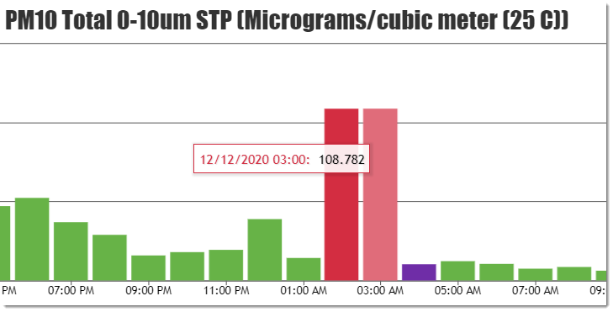
Add a screenshot of the data chart, if that would be useful to the reviewer.

 |  | 5-minute Values for this Time Interval -> |  | unavailable
 |  | QREST Notes on this parameter and interval:
 |  | No notations for this interval.

 |  | Level 1 decision on records nulled:
 |  | datetime start | datetime end | AQS Null Code Assigned | # Records Null Coded
 |  | 12/12/20 | 12/12/20 | AM | 2

Interval 2: |  | datetime start | datetime end | description
 |  | 12/13/20 | 12/13/20 | One extreme negative value of (-78.6), which occurred at 11 pm so not during a site visit.
 |  | Question for Site Operator? | Do you have any information about this one hour?
 |  | Answer from Site Operator: | No. There is no explanation for this anomolous value, and it should be invalidated.
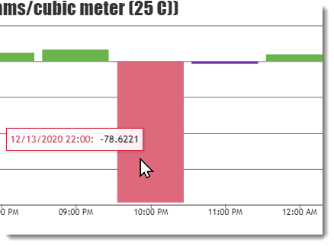

 |  | 5-minute Values for this Time Interval -> |  | unavailable
 |  | QREST Notes on this parameter and interval:
 |  | No notations for this interval.

 |  | Level 1 decision on records nulled:
 |  | datetime start | datetime end | AQS Null Code Assigned | # Records Null Coded
 |  | 12/13/20 | 12/13/20 | AM | 1

Interval 3: |  | datetime start | datetime end | description
 |  | 12/1/20 | 12/1/20 | 4 consecutive records of zero, beginning at 16:00 on 12/1/20
 |  | Question for Site Operator? | Is there a record of a site visit during this time? Signal was not lost, but 4 consecutive values of exactly zero is not representative of the analyzer's response when it is functioning normally.
 |  | Answer from Site Operator: | Yes, 12/1/20 at 3pm there was a site visit and resetting the TEOM (turning it off and on) in hopes to clear the high negative PM10 values.
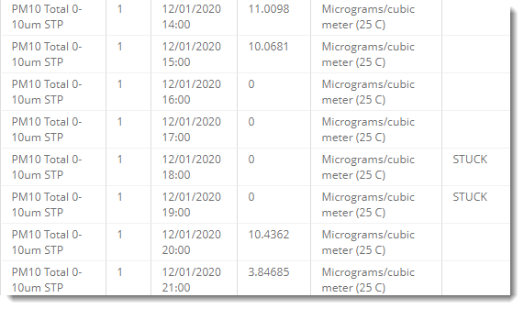

 |  | 5-minute Values for this Time Interval -> |  | unavailable
 |  | QREST Notes on this parameter and interval:
 |  | No notations for this interval.

 |  | Level 1 decision on records nulled:
 |  | 12/1/20 | 12/1/20 | AN | 4

Interval 4: |  | datetime start | datetime end | description
 |  | 12/31/20 | 12/31/20 | 4 consecutive LOST hours, beginning at 18:00
 |  | Question for Site Operator? | Do you have any information about these 4 LOST hours?
 |  | Answer from Site Operator: | Yes, I had visited the site and exchanged the inlet and got a weekly download and reading.
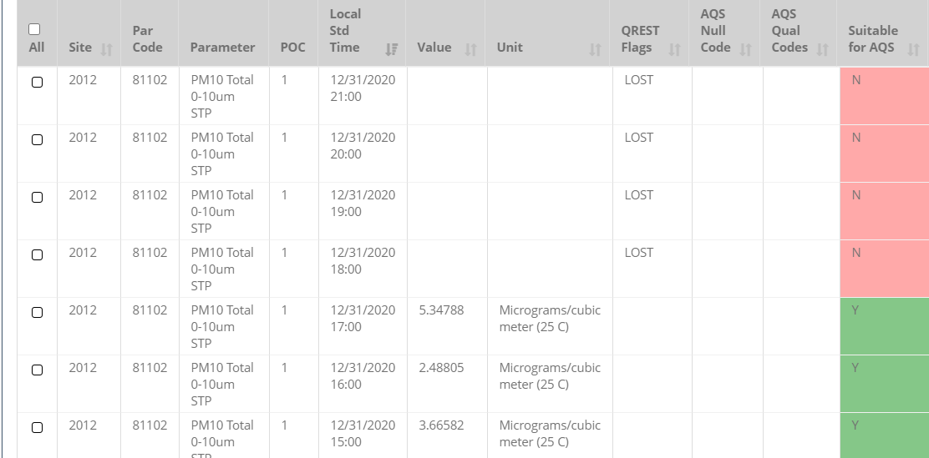

 |  | 5-minute Values for this Time Interval -> |  | unavailable
 |  | Level 1 decision on records nulled:
 |  | datetime start | datetime end | AQS Null Code Assigned | # Records Null Coded
 |  | 12/31/20 | 12/31/20 | AF | 4

 |  | Reviewer Notes:
 |  | The above charts of PM10 vs those parameters measured at this site that are likely to influence PM10 concentrations demonstrate no obvious correlation with PM10 overall, and none of these met parameters correspond in any way with the two sets of extreme min/max Level 0-flagged values. The 4 records invalidated due to stuck zero values were invalidated because they are inconsistent with the pattern of the data, and the site operator has no information about these anomolous values.

PivotTableDailyAverages
PM10 microg/cubic meter
AQS Null Code | (All) |  | Click the down arrow to deselect values with AQS codes, or select which AQS-null-coded values to include or exclude from the average and the chart. | (If any values in AllData are changed, including AQS codes, this sheet must be refreshed.)
 | average= | 10.257
Datetime | Average PM10 | Max of Value
2020-12-01 | 9.53 | 24
2020-12-02 | 10.02 | 25
2020-12-03 | 14.64 | 33
2020-12-04 | 16.91 | 33
2020-12-05 | 16.82 | 30
2020-12-06 | 14.98 | 21
2020-12-07 | 13.27 | 34
2020-12-08 | 15.11 | 28
2020-12-09 | 16.74 | 26
2020-12-10 | 18.79 | 51
2020-12-11 | 18.30 | 52
2020-12-12 | 17.71 | 109
2020-12-13 | 3.14 | 13
2020-12-14 | 4.31 | 8
2020-12-15 | 4.74 | 9
2020-12-16 | 6.64 | 14
2020-12-17 | 4.91 | 11
2020-12-18 | 6.53 | 13
2020-12-19 | 7.84 | 16
2020-12-20 | 8.30 | 13
2020-12-21 | 9.91 | 18
2020-12-22 | 8.79 | 18
2020-12-23 | 8.00 | 31
2020-12-24 | 8.57 | 15
2020-12-25 | 10.78 | 23
2020-12-26 | 10.94 | 39
2020-12-27 | 6.53 | 13
2020-12-28 | 5.84 | 10
2020-12-29 | 6.80 | 18
2020-12-30 | 5.85 | 17
2020-12-31 | 5.53 | 14
Monthly Avg= | 10.26 | 109

